Foglio1
 |  |  |  |  |  |  |  |  |  | 1 | 3- | 4 | 4- | 5 | 5- | 6 | 6- | 7 | 7- | 8 | 8- | 9 | 9- | 10 | 10- | 11 | 11- | 12 | 12- | 13 | 13- | 14 | 14-
DIADORA |  |  |  |  |  |  |  |  |  | 2 | 37 | 38 | 39 | 40 | 41 | 42 | 43 | 44 | 45 | 46 | 47 | 48 | 49 | 50 | 51 | 52
 |  |  |  |  |  |  |  |  |  | 6 | 8 | 8- | 9 | 9- | 10 | 10- | 11 | 11- | 12 | 12- | 13 | 13- | 1 | 1- | 2 | 2- | 3 | 3- | 4 | 4- | 5 | 5- | 6
 |  |  |  |  |  |  |  |  |  | 23 | 3 | 3- | 4 | 4- | 5 | 5- | 6 | 6- | 7 | 7- | 8 | 8- | 9 | 9- | 10 | 10- | 11 | 11- | 12 | 12- | 13 | 13- | 1
 |  |  |  |  |  |  |  |  |  | 33 | 17 | 18 | 19 | 20 | 21 | 22 | 23 | 24 | 25 | 26 | 27 | 28 | 29 | 30 | 31 | 32 | 33 | 34 | 35 | 36 | 37 | 38 | 39
FOTO | DESCRIZIONE COLLEZIONE | STAGIONE | CODICE MATERIALE | DESCRIZIONE MATERIALE | COLORE | DESCRIZIONE COLORE | WHS | GENDER | TOTALE | TIPO TGL
 | Lifestyle Sportswear | 20181 | 101.170249 | CLIPPER C W | 35007 | GIALLO GRANATINA | € 17.50 | L Donna (lady) | 175 | 1 | 34 | 1 | 44 | 21 | 2 | 15 | 37 | 1 | 20 | 0 | 0 | 0 | 0 | 0 | 0 | 0 | 0 | 0 | 0 | 0 | 0 | 0 | 0
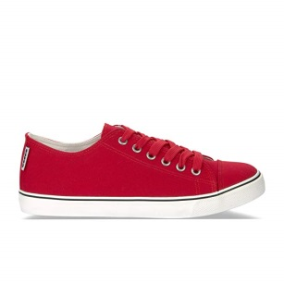 | Lifestyle Sportswear | 20181 | 101.170249 | CLIPPER C W | 45044 | ROSSO NASTRO | € 17.50 | L Donna (lady) | 117 | 1 | 11 | 0 | 6 | 7 | 0 | 42 | 50 | 0 | 1 | 0 | 0 | 0 | 0 | 0 | 0 | 0 | 0 | 0 | 0 | 0 | 0 | 0 | 0
 | Lifestyle Sportswear | 20181 | 101.170249 | CLIPPER C W | 45049 | ROSSO PARADISO | € 17.50 | L Donna (lady) | 475 | 1 | 47 | 0 | 90 | 117 | 15 | 89 | 71 | 0 | 45 | 1 | 0 | 0 | 0 | 0 | 0 | 0 | 0 | 0 | 0 | 0 | 0 | 0 | 0
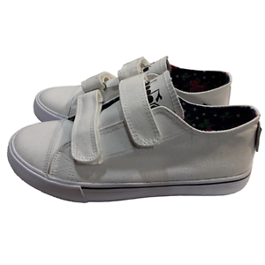 | Lifestyle Sportswear | 20181 | 101.170360 | CLIPPER C JR | 75067 | GRIGIO PALOMA | € 12.50 | JU Junior unisex | 125 | 6 | 0 | 0 | 0 | 0 | 0 | 0 | 0 | 0 | 0 | 0 | 0 | 28 | 31 | 0 | 31 | 35 | 0 | 0 | 0 | 0 | 0 | 0 | 0
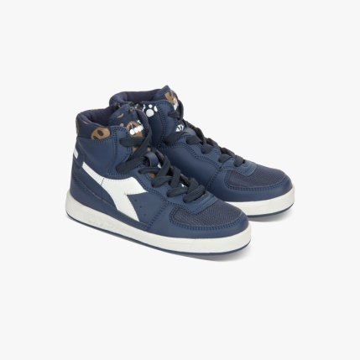 | Lifestyle Sportswear | 20181 | 101.171297 | MI BASKET NYL II JR | 50162 | ROSA SHOCKING | € 21.00 | JU Junior unisex | 357 | 6 | 0 | 0 | 0 | 0 | 0 | 0 | 7 | 0 | 0 | 0 | 0 | 0 | 0 | 0 | 0 | 0 | 0 | 43 | 1 | 95 | 100 | 111 | 0
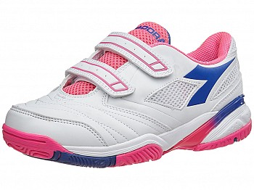 | Active Tennis | 20173 | 101.171512 | S.STAR III JR V | C4032 | BIANCO/VIOLA PROFONDO | € 20.50 | JU Junior unisex | 211 | 6 | 0 | 0 | 0 | 0 | 11 | 0 | 6 | 0 | 0 | 2 | 0 | 0 | 0 | 0 | 0 | 0 | 0 | 58 | 0 | 68 | 66 | 0 | 0
 | Lifestyle Sportswear | 20181 | 101.172054 | MALONE Y | C4263 | BLU ESTATE/ARANCIO POP | € 20.00 | YU Youth unisex | 365 | 6 | 0 | 0 | 0 | 0 | 0 | 0 | 0 | 0 | 0 | 0 | 0 | 0 | 0 | 0 | 0 | 0 | 0 | 111 | 0 | 103 | 151 | 0 | 0
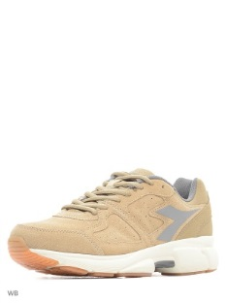 | Active Running | 20173 | 101.172056 | SHAPE 8 S | C5480 | GRIGIO ACCIAIO/NERO FUMO | € 27.50 | AU Adult unisex | 447 | 1 | 0 | 0 | 0 | 0 | 0 | 1 | 44 | 29 | 28 | 29 | 38 | 60 | 65 | 34 | 44 | 39 | 36 | 0 | 0 | 0 | 0 | 0 | 0
 | Active Running | 20173 | 101.172062 | SHAPE 8 SL JR | C2818 | BLU ESTATE/BIANCO OTTICO | € 18.50 | JU Junior unisex | 469 | 6 | 0 | 0 | 0 | 0 | 7 | 0 | 7 | 0 | 5 | 5 | 5 | 0 | 3 | 6 | 4 | 6 | 53 | 33 | 35 | 119 | 94 | 87 | 0
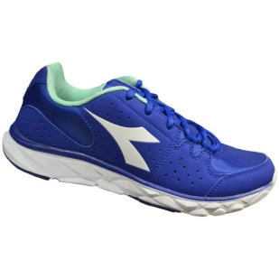 | Active Running | 20173 | 101.172063 | HAWK 8 W | C4146 | BLU PROFONDO/BIANCO | € 24.00 | AW Adult woman | 399 | 1 | 6 | 32 | 46 | 27 | 31 | 73 | 39 | 17 | 67 | 61 | 0 | 0 | 0 | 0 | 0 | 0 | 0 | 0 | 0 | 0 | 0 | 0 | 0
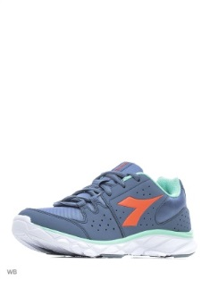 | Active Running | 20173 | 101.172063 | HAWK 8 W | C6908 | GRIGIO PIETRA/RSSO CORALLO CAL | € 24.00 | AW Adult woman | 1350 | 1 | 26 | 40 | 126 | 163 | 164 | 364 | 192 | 0 | 177 | 98 | 0 | 0 | 0 | 0 | 0 | 0 | 0 | 0 | 0 | 0 | 0 | 0 | 0
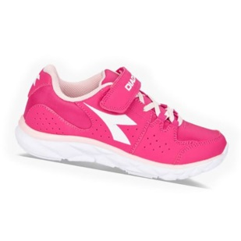 | Active Running | 20173 | 101.172064 | HAWK 8 JR | C4180 | ROSA SHOCKING/BIANCO OTTICO | € 19.50 | JU Junior unisex | 118 | 6 | 0 | 0 | 0 | 0 | 16 | 0 | 16 | 0 | 16 | 8 | 8 | 1 | 8 | 14 | 8 | 8 | 1 | 1 | 0 | 0 | 0 | 13 | 0
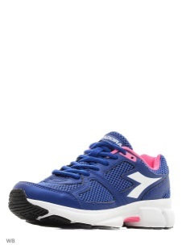 | Active Running | 20173 | 101.172074 | SHAPE 8 | C4146 | BLU PROFONDO/BIANCO | € 22.50 | AU Adult unisex | 1251 | 1 | 45 | 15 | 193 | 273 | 74 | 339 | 67 | 59 | 130 | 56 | 0 | 0 | 0 | 0 | 0 | 0 | 0 | 0 | 0 | 0 | 0 | 0 | 0
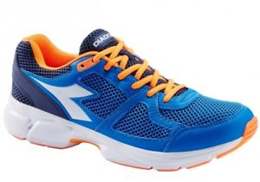 | Active Running | 20173 | 101.172074 | SHAPE 8 | C4415 | BLUE CAMPANA/BIANCO | € 22.50 | AU Adult unisex | 133 | 1 | 0 | 0 | 0 | 0 | 0 | 19 | 0 | 0 | 2 | 0 | 0 | 5 | 0 | 0 | 0 | 37 | 59 | 11 | 0 | 0 | 0 | 0 | 0
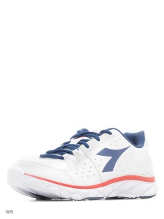 | Active Running | 20173 | 101.172075 | HAWK 8 | C0018 | BIANCO OTTICO/BLU CLASSICO | € 24.00 | AM Adult man | 290 | 1 | 0 | 0 | 0 | 0 | 0 | 20 | 16 | 19 | 25 | 24 | 0 | 52 | 34 | 35 | 24 | 21 | 16 | 4 | 0 | 0 | 0 | 0 | 0
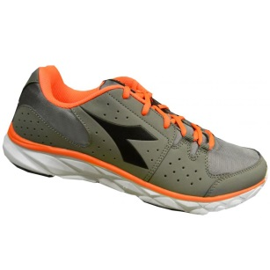 | Active Running | 20173 | 101.172075 | HAWK 8 | C6223 | GRIGIO GHIACCIO/NERO FUMO | € 24.00 | AM Adult man | 345 | 1 | 0 | 0 | 0 | 0 | 0 | 2 | 37 | 2 | 37 | 37 | 39 | 30 | 28 | 14 | 37 | 38 | 30 | 14 | 0 | 0 | 0 | 0 | 0
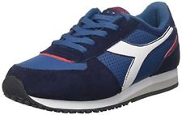 | Lifestyle Sportswear | 20173 | 101.172325 | MALONE S Y | 60076 | BLU STELLARE | € 22.50 | YU Youth unisex | 158 | 6 | 0 | 0 | 0 | 0 | 0 | 0 | 0 | 0 | 0 | 0 | 0 | 0 | 0 | 0 | 0 | 0 | 18 | 23 | 20 | 22 | 28 | 26 | 21
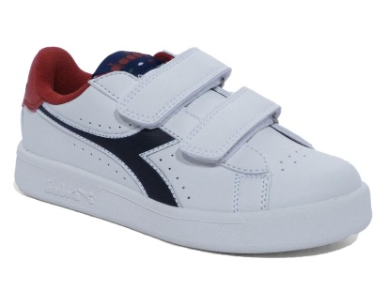 | Lifestyle Sportswear | 20173 | 101.172336 | GAME P JR | C7036 | BIANCO/BLU ESTATE/ROSSO AMORE | € 17.50 | JU Junior unisex | 165 | 6 | 0 | 0 | 0 | 0 | 17 | 0 | 13 | 0 | 11 | 10 | 0 | 31 | 35 | 0 | 20 | 28 | 0 | 0 | 0 | 0 | 0 | 0 | 0
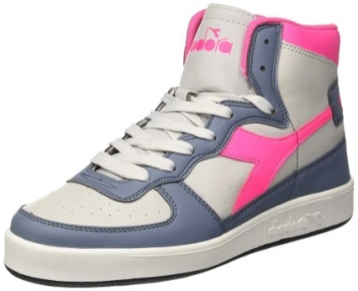 | Lifestyle Sportswear | 20173 | 101.172342 | MI BASKET II Y | C7056 | GRIGIO ALLUMINIO/GRIGIO PIETRA | € 22.50 | YU Youth unisex | 1413 | 6 | 0 | 0 | 0 | 0 | 0 | 0 | 0 | 0 | 0 | 0 | 0 | 0 | 0 | 0 | 0 | 0 | 125 | 212 | 8 | 273 | 314 | 197 | 284
 | Active Running | 20181 | 101.172856 | SWAN + | C1040 | NERO/AZZURRO SCURO | € 27.50 | AM Adult man | 1421 | 1 | 0 | 0 | 0 | 0 | 0 | 94 | 117 | 76 | 167 | 233 | 44 | 194 | 145 | 0 | 148 | 2 | 110 | 91 | 0 | 0 | 0 | 0 | 0
 | Active Running | 20181 | 101.172856 | SWAN + | C2418 | GRIGIO/ARANCIO | € 27.50 | AM Adult man | 108 | 1 | 0 | 0 | 0 | 0 | 0 | 43 | 34 | 0 | 0 | 0 | 0 | 0 | 0 | 0 | 0 | 0 | 0 | 31 | 0 | 0 | 0 | 0 | 0
 | Active Running | 20181 | 101.172856 | SWAN + | C3561 | BLU CLASSICO/ROSSO NASTRO | € 27.50 | AM Adult man | 151 | 1 | 0 | 0 | 0 | 0 | 0 | 55 | 12 | 24 | 60 | 0 | 0 | 0 | 0 | 0 | 0 | 0 | 0 | 0 | 0 | 0 | 0 | 0 | 0
 | Active Running | 20181 | 101.172865 | HERON 2 | C1141 | BLU CLASSICO/BIANCO | € 25.00 | AM Adult man | 239 | 1 | 0 | 0 | 0 | 0 | 0 | 0 | 28 | 0 | 79 | 52 | 0 | 0 | 37 | 0 | 23 | 3 | 17 | 0 | 0 | 0 | 0 | 0 | 0
 | Active Running | 20181 | 101.172865 | HERON 2 | C2815 | NERO/GRIGIO ACCIAIO | € 25.00 | AM Adult man | 255 | 1 | 0 | 0 | 0 | 0 | 0 | 17 | 46 | 57 | 38 | 12 | 7 | 12 | 29 | 0 | 7 | 0 | 30 | 0 | 0 | 0 | 0 | 0 | 0
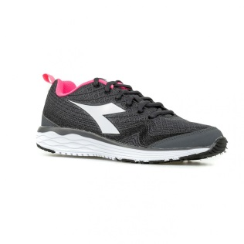 | Active Running | 20181 | 101.172868 | FLAMINGO W | C0641 | NERO/BIANCO | € 25.00 | AW Adult woman | 3065 | 1 | 338 | 120 | 424 | 504 | 217 | 558 | 416 | 79 | 293 | 116 | 0 | 0 | 0 | 0 | 0 | 0 | 0 | 0 | 0 | 0 | 0 | 0 | 0
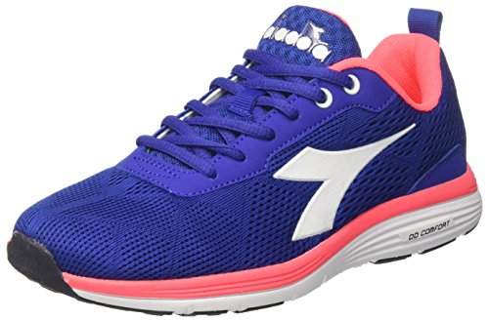 | Active Running | 20181 | 101.172868 | FLAMINGO W | C1970 | AZZURRO/BIANCO (C1970) | € 25.00 | AW Adult woman | 146 | 1 | 41 | 34 | 8 | 33 | 0 | 0 | 6 | 0 | 5 | 19 | 0 | 0 | 0 | 0 | 0 | 0 | 0 | 0 | 0 | 0 | 0 | 0 | 0
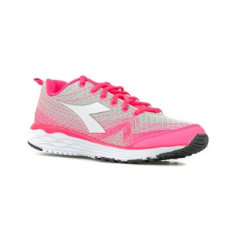 | Active Running | 20181 | 101.172868 | FLAMINGO W | C6500 | GRIGIO ALLUMINIO/ROSSO PARADIS | € 25.00 | AW Adult woman | 3117 | 1 | 327 | 104 | 552 | 551 | 171 | 599 | 438 | 79 | 219 | 77 | 0 | 0 | 0 | 0 | 0 | 0 | 0 | 0 | 0 | 0 | 0 | 0 | 0
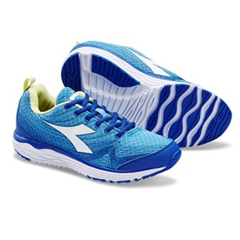 | Active Running | 20181 | 101.172868 | FLAMINGO W | C7289 | IRIS BLU/BIANCO | € 25.00 | AW Adult woman | 456 | 1 | 51 | 9 | 95 | 100 | 15 | 98 | 68 | 0 | 16 | 4 | 0 | 0 | 0 | 0 | 0 | 0 | 0 | 0 | 0 | 0 | 0 | 0 | 0
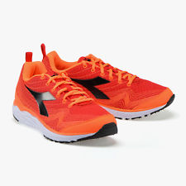 | Active Running | 20181 | 101.172873 | FLAMINGO | C0929 | ROSSO CARDINALE/ARANCIO CORTEC | € 25.00 | AM Adult man | 544 | 1 | 0 | 0 | 0 | 0 | 0 | 31 | 106 | 6 | 166 | 113 | 14 | 41 | 59 | 0 | 7 | 1 | 0 | 0 | 0 | 0 | 0 | 0 | 0
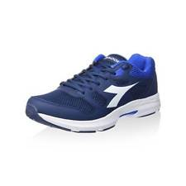 | Active Running | 20181 | 101.172873 | FLAMINGO | C1141 | BLU CLASSICO/BIANCO | € 25.00 | AM Adult man | 492 | 1 | 0 | 0 | 0 | 0 | 0 | 57 | 52 | 0 | 62 | 99 | 0 | 58 | 1 | 18 | 0 | 18 | 56 | 71 | 0 | 0 | 0 | 0 | 0
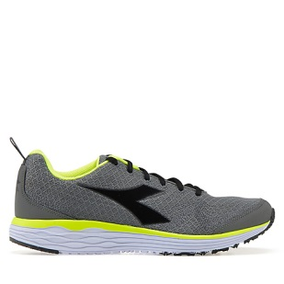 | Active Running | 20181 | 101.172873 | FLAMINGO | C2539 | GRIGIO/NERO | € 25.00 | AM Adult man | 1268 | 1 | 0 | 0 | 0 | 0 | 0 | 38 | 123 | 13 | 178 | 277 | 0 | 260 | 152 | 9 | 83 | 15 | 56 | 64 | 0 | 0 | 0 | 0 | 0
 | Active Running | 20181 | 101.172873 | FLAMINGO | C3651 | BIANCO/BLU/ROSSO | € 25.00 | AM Adult man | 295 | 1 | 0 | 0 | 0 | 0 | 0 | 6 | 28 | 0 | 41 | 62 | 0 | 63 | 50 | 10 | 28 | 0 | 7 | 0 | 0 | 0 | 0 | 0 | 0
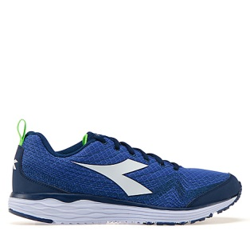 | Active Running | 20181 | 101.172873 | FLAMINGO | C7316 | AZZURRO SCURO/BIANCO | € 25.00 | AM Adult man | 1615 | 1 | 0 | 0 | 0 | 0 | 0 | 30 | 136 | 9 | 245 | 339 | 17 | 307 | 238 | 0 | 151 | 0 | 94 | 49 | 0 | 0 | 0 | 0 | 0
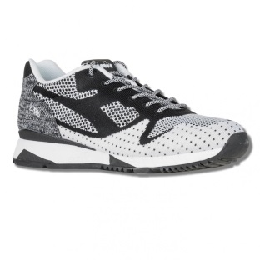 | Active Running | 20181 | 101.172877 | SHAPE 9 | C0641 | NERO/BIANCO | € 22.50 | AU Adult unisex | 202 | 1 | 0 | 0 | 0 | 0 | 0 | 3 | 18 | 63 | 79 | 0 | 0 | 0 | 7 | 0 | 0 | 0 | 32 | 0 | 0 | 0 | 0 | 0 | 0
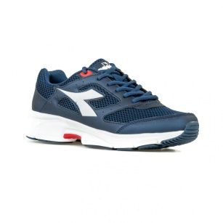 | Active Running | 20181 | 101.172877 | SHAPE 9 | C1423 | BLU/BIANCO | € 22.50 | AU Adult unisex | 405 | 1 | 0 | 0 | 0 | 0 | 0 | 39 | 82 | 55 | 128 | 13 | 18 | 0 | 39 | 0 | 0 | 0 | 31 | 0 | 0 | 0 | 0 | 0 | 0
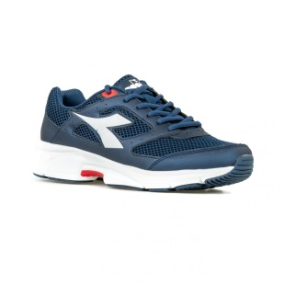 | Active Running | 20181 | 101.172881 | SHAPE 9 SL | C1423 | BLU/BIANCO | € 25.00 | AU Adult unisex | 226 | 1 | 0 | 0 | 0 | 0 | 0 | 10 | 78 | 1 | 69 | 11 | 0 | 0 | 57 | 0 | 0 | 0 | 0 | 0 | 0 | 0 | 0 | 0 | 0
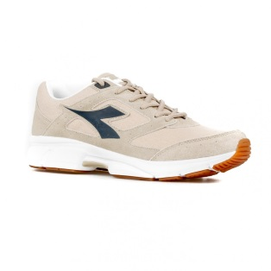 | Active Running | 20181 | 101.172882 | SHAPE 9 S | C6455 | SABBIA BAGNATA/NERO FUMO | € 27.50 | AU Adult unisex | 397 | 1 | 0 | 0 | 0 | 0 | 0 | 7 | 128 | 33 | 77 | 84 | 0 | 0 | 63 | 0 | 5 | 0 | 0 | 0 | 0 | 0 | 0 | 0 | 0
 | Active Running | 20181 | 101.172966 | X RUN LIGHT | C4591 | GRIGIO GHIACCIO/AZZURRO SCURO | € 25.00 | AM Adult man | 360 | 1 | 0 | 0 | 0 | 0 | 0 | 23 | 42 | 29 | 78 | 66 | 0 | 49 | 41 | 0 | 8 | 0 | 24 | 0 | 0 | 0 | 0 | 0 | 0
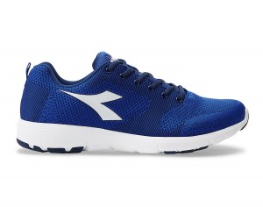 | Active Running | 20181 | 101.172966 | X RUN LIGHT | C4738 | AZZURRO SCURO/BLU PROFONDO | € 25.00 | AM Adult man | 1710 | 1 | 0 | 0 | 0 | 0 | 0 | 27 | 135 | 108 | 220 | 285 | 73 | 295 | 247 | 34 | 160 | 38 | 73 | 15 | 0 | 0 | 0 | 0 | 0
 | Active Running | 20181 | 101.172966 | X RUN LIGHT | C6616 | NERO/NERO FUMO | € 25.00 | AM Adult man | 1251 | 1 | 0 | 0 | 0 | 0 | 0 | 39 | 150 | 37 | 221 | 252 | 46 | 163 | 201 | 0 | 79 | 0 | 63 | 0 | 0 | 0 | 0 | 0 | 0
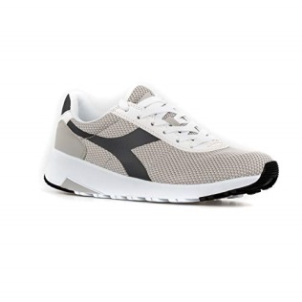 | Lifestyle Sportswear | 20181 | 101.173093 | EVO RUN II | 20016 | BIANCO GIGLIO | € 27.50 | AU Adult unisex | 166 | 1 | 0 | 0 | 0 | 0 | 0 | 4 | 0 | 9 | 10 | 55 | 2 | 27 | 4 | 0 | 13 | 7 | 23 | 6 | 1 | 5 | 0 | 0 | 0
 | Lifestyle Sportswear | 20181 | 101.173093 | EVO RUN II | 60084 | BLU MICRO | € 27.50 | AU Adult unisex | 115 | 1 | 0 | 0 | 0 | 0 | 0 | 0 | 18 | 15 | 0 | 27 | 6 | 10 | 0 | 18 | 15 | 0 | 0 | 5 | 0 | 1 | 0 | 0 | 0
 | Lifestyle Sportswear | 20181 | 101.173093 | EVO RUN II | 75068 | GRIGIO CASTELLO | € 27.50 | AU Adult unisex | 119 | 1 | 1 | 2 | 0 | 0 | 9 | 3 | 3 | 6 | 0 | 14 | 8 | 14 | 15 | 5 | 7 | 4 | 17 | 11 | 0 | 0 | 0 | 0 | 0
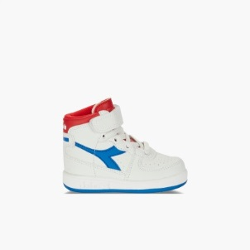 | Lifestyle Sportswear | 20173 | 101.173218 | MI BASKET I | C0673 | BIANCO/ROSSO | € 17.50 | IU Infant unisex | 1638 | 23 | 0 | 0 | 0 | 0 | 129 | 4 | 121 | 0 | 285 | 0 | 267 | 414 | 0 | 418 | 0 | 0 | 0 | 0 | 0 | 0 | 0 | 0 | 0
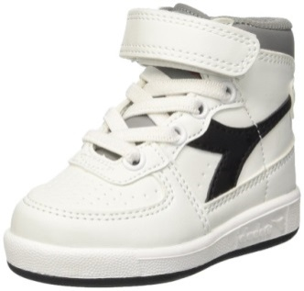 | Lifestyle Sportswear | 20173 | 101.173218 | MI BASKET I | C0692 | BIANCO/SABBIA | € 17.50 | IU Infant unisex | 986 | 23 | 0 | 0 | 0 | 0 | 95 | 0 | 55 | 0 | 160 | 0 | 177 | 248 | 0 | 251 | 0 | 0 | 0 | 0 | 0 | 0 | 0 | 0 | 0
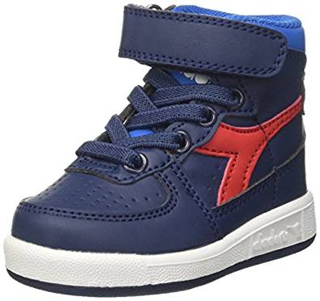 | Lifestyle Sportswear | 20173 | 101.173218 | MI BASKET I | C6833 | BLU ESTATE/BLU CAMPANA | € 17.50 | IU Infant unisex | 1043 | 23 | 0 | 7 | 1 | 0 | 117 | 0 | 82 | 0 | 189 | 0 | 178 | 248 | 6 | 215 | 0 | 0 | 0 | 0 | 0 | 0 | 0 | 0 | 0
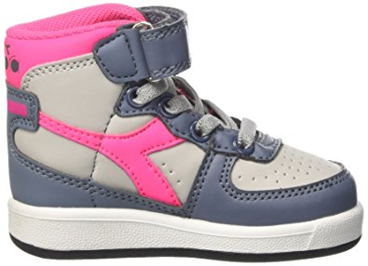 | Lifestyle Sportswear | 20173 | 101.173218 | MI BASKET I | C7056 | GRIGIO ALLUMINIO/GRIGIO PIETRA | € 17.50 | IU Infant unisex | 999 | 23 | 0 | 0 | 4 | 3 | 102 | 0 | 82 | 0 | 179 | 0 | 172 | 240 | 1 | 216 | 0 | 0 | 0 | 0 | 0 | 0 | 0 | 0 | 0
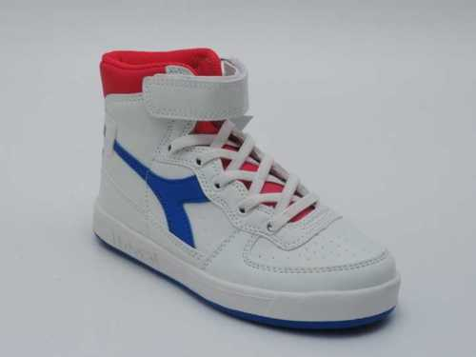 | Lifestyle Sportswear | 20173 | 101.173219 | MI BASKET II JR | C0673 | BIANCO/ROSSO | € 20.00 | JU Junior unisex | 721 | 6 | 0 | 0 | 0 | 0 | 143 | 0 | 141 | 0 | 63 | 44 | 0 | 95 | 72 | 0 | 76 | 87 | 0 | 0 | 0 | 0 | 0 | 0 | 0
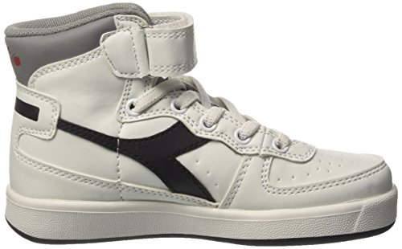 | Lifestyle Sportswear | 20173 | 101.173219 | MI BASKET II JR | C0692 | BIANCO/SABBIA | € 20.00 | JU Junior unisex | 978 | 6 | 0 | 0 | 0 | 0 | 104 | 0 | 121 | 0 | 81 | 105 | 0 | 194 | 156 | 0 | 120 | 97 | 0 | 0 | 0 | 0 | 0 | 0 | 0
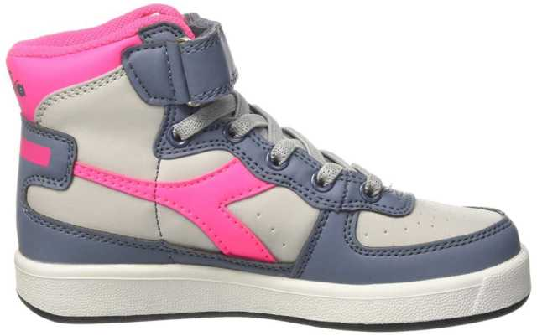 | Lifestyle Sportswear | 20173 | 101.173219 | MI BASKET II JR | C7056 | GRIGIO ALLUMINIO/GRIGIO PIETRA | € 20.00 | JU Junior unisex | 435 | 6 | 0 | 0 | 0 | 0 | 9 | 0 | 63 | 0 | 60 | 62 | 1 | 61 | 66 | 0 | 81 | 32 | 0 | 0 | 0 | 0 | 0 | 0 | 0
 |  |  |  |  |  |  |  |  | 33286

